Picture
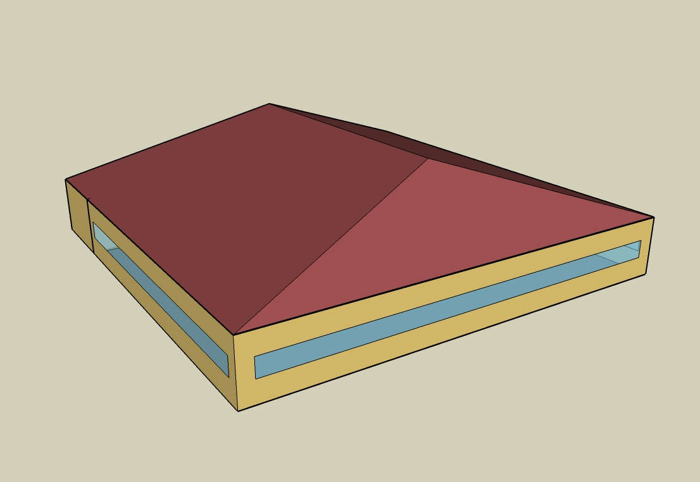
DOE Commercial Building Benchmark - Full Service Restaurant

Electricity
 | Cooling | Interior Lighting | Exterior Lighting | Interior Equipment | Fans | Refrigeration
Miami | 106,277.78 | 65,897.22 | 3,908.33 | 166,402.78 | 30,338.89 | 18,780.56
Houston | 73,922.22 | 65,897.22 | 3,902.78 | 166,402.78 | 30,583.33 | 18,077.78
Phoenix | 70,902.78 | 65,897.22 | 3,900.00 | 166,402.78 | 30,616.67 | 18,011.11
Atlanta | 40,825.00 | 65,897.22 | 3,908.33 | 166,402.78 | 30,352.78 | 17,369.44
Los Angeles | 13,777.78 | 65,897.22 | 3,905.56 | 166,402.78 | 27,683.33 | 17,419.44
Las Vegas | 50,472.22 | 65,897.22 | 3,902.78 | 166,402.78 | 30,005.56 | 17,508.33
San Francisco | 3,283.33 | 65,897.22 | 3,900.00 | 166,402.78 | 26,591.67 | 16,772.22
Baltimore | 30,805.56 | 65,897.22 | 3,902.78 | 166,402.78 | 29,505.56 | 16,891.67
Albuquerque | 24,255.56 | 65,897.22 | 3,902.78 | 166,402.78 | 33,288.89 | 16,836.11
Seattle | 5,086.11 | 65,897.22 | 3,897.22 | 166,402.78 | 27,105.56 | 16,472.22
Chicago | 21,780.56 | 65,897.22 | 3,897.22 | 166,402.78 | 29,050.00 | 16,575.00
Boulder | 15,572.22 | 65,897.22 | 3,897.22 | 166,402.78 | 32,408.33 | 16,488.89
Minneapolis | 19,202.78 | 65,897.22 | 3,900.00 | 166,402.78 | 29,063.89 | 16,422.22
Helena | 8,688.89 | 65,897.22 | 3,894.44 | 166,402.78 | 30,633.33 | 16,172.22
Duluth | 6,208.33 | 65,897.22 | 3,894.44 | 166,402.78 | 27,647.22 | 15,947.22
Fairbanks | 2,216.67 | 65,897.22 | 3,872.22 | 166,402.78 | 26,775.00 | 15,569.44

Gas
 | Heating | Interior Equipment | Water Systems
Miami | 14,670.00 | 800,920.00 | 121,380.00
Houston | 211,280.00 | 800,920.00 | 152,460.00
Phoenix | 157,340.00 | 800,920.00 | 134,590.00
Atlanta | 399,840.00 | 800,920.00 | 182,410.00
Los Angeles | 131,180.00 | 800,920.00 | 176,600.00
Las Vegas | 263,480.00 | 800,920.00 | 156,110.00
San Francisco | 386,450.00 | 800,920.00 | 202,220.00
Baltimore | 697,040.00 | 800,920.00 | 205,940.00
Albuquerque | 471,400.00 | 800,920.00 | 201,480.00
Seattle | 667,720.00 | 800,920.00 | 218,200.00
Chicago | 937,050.00 | 800,920.00 | 226,610.00
Boulder | 681,760.00 | 800,920.00 | 225,530.00
Minneapolis | 1,182,440.00 | 800,920.00 | 244,460.00
Helena | 988,000.00 | 800,920.00 | 247,700.00
Duluth | 1,475,580.00 | 800,920.00 | 273,910.00
Fairbanks | 2,308,940.00 | 800,920.00 | 309,550.00

EUI
 | Cooling (elec) | Interior Lighting (elec) | Exterior Lighting (elec) | Interior Equipment (elec) | Fans (elec) | Refrigeration (elec) | Heating (gas) | Interior Equipment (gas) | Water Systems (gas)
Miami | 748.51 | 464.11 | 27.53 | 1171.97 | 213.68 | 132.27 | 28.70 | 1566.90 | 237.46
Houston | 520.63 | 464.11 | 27.49 | 1171.97 | 215.40 | 127.32 | 413.34 | 1566.90 | 298.27
Phoenix | 499.36 | 464.11 | 27.47 | 1171.97 | 215.63 | 126.85 | 307.82 | 1566.90 | 263.31
Atlanta | 287.53 | 464.11 | 27.53 | 1171.97 | 213.77 | 122.33 | 782.24 | 1566.90 | 356.86
Los Angeles | 97.04 | 464.11 | 27.51 | 1171.97 | 194.97 | 122.68 | 256.64 | 1566.90 | 345.50
Las Vegas | 355.47 | 464.11 | 27.49 | 1171.97 | 211.33 | 123.31 | 515.47 | 1566.90 | 305.41
San Francisco | 23.12 | 464.11 | 27.47 | 1171.97 | 187.28 | 118.13 | 756.04 | 1566.90 | 395.62
Baltimore | 216.96 | 464.11 | 27.49 | 1171.97 | 207.81 | 118.97 | 1363.67 | 1566.90 | 402.90
Albuquerque | 170.83 | 464.11 | 27.49 | 1171.97 | 234.45 | 118.58 | 922.23 | 1566.90 | 394.17
Seattle | 35.82 | 464.11 | 27.45 | 1171.97 | 190.90 | 116.01 | 1306.31 | 1566.90 | 426.88
Chicago | 153.40 | 464.11 | 27.45 | 1171.97 | 204.60 | 116.74 | 1833.22 | 1566.90 | 443.33
Boulder | 109.67 | 464.11 | 27.45 | 1171.97 | 228.25 | 116.13 | 1333.78 | 1566.90 | 441.22
Minneapolis | 135.24 | 464.11 | 27.47 | 1171.97 | 204.70 | 115.66 | 2313.29 | 1566.90 | 478.25
Helena | 61.20 | 464.11 | 27.43 | 1171.97 | 215.75 | 113.90 | 1932.90 | 1566.90 | 484.59
Duluth | 43.72 | 464.11 | 27.43 | 1171.97 | 194.72 | 112.32 | 2886.78 | 1566.90 | 535.87
Fairbanks | 15.61 | 464.11 | 27.27 | 1171.97 | 188.57 | 109.65 | 4517.15 | 1566.90 | 605.60

Water
 | Total Building | Water for Electricity (m3)
Miami | 1,377.36 | 207.46
Houston | 1,377.36 | 583.79
Phoenix | 1,377.36 | 10,566.80
Atlanta | 1,377.36 | 2,027.64
Los Angeles | 1,377.36 | 5,181.03
Las Vegas | 1,377.36 | 9,168.13
San Francisco | 1,377.36 | 4,966.14
Baltimore | 1,377.36 | 71.15
Albuquerque | 1,377.36 | 1,410.31
Seattle | 1,377.36 | 2,910.35
Chicago | 1,377.36 | 471.03
Boulder | 1,377.36 | 1,365.27
Minneapolis | 1,377.36 | 466.81
Helena | 1,377.36 | 18,476.90
Duluth | 1,377.36 | 443.71
Fairbanks | 1,377.36 | 286.82

Carbon
 | Carbon Equivalent (kg)
Miami | 124,293.62
Houston | 140,679.13
Phoenix | 127,094.11
Atlanta | 124,978.79
Los Angeles | 54,478.15
Las Vegas | 134,722.59
San Francisco | 58,113.07
Baltimore | 115,300.14
Albuquerque | 153,450.53
Seattle | 51,165.71
Chicago | 197,293.85
Boulder | 153,625.51
Minneapolis | 143,165.94
Helena | 143,320.42
Duluth | 143,885.78
Fairbanks | 140,655.02

LghtSch
Lighting Schedules
 | Weekday | Saturday | Sunday
 | 0.45 | 0.45 | 0.45
 | 0.15 | 0.15 | 0.15
 | 0.15 | 0.15 | 0.15
 | 0.15 | 0.15 | 0.15
 | 0.15 | 0.15 | 0.15
 | 0.45 | 0.45 | 0.45
 | 0.9 | 0.9 | 0.9
 | 0.9 | 0.9 | 0.9
 | 0.9 | 0.9 | 0.9
 | 0.9 | 0.9 | 0.9
 | 0.9 | 0.9 | 0.9
 | 0.9 | 0.9 | 0.9
 | 0.9 | 0.9 | 0.9
 | 0.9 | 0.9 | 0.9
 | 0.9 | 0.9 | 0.9
 | 0.9 | 0.9 | 0.9
 | 0.9 | 0.9 | 0.9
 | 0.9 | 0.9 | 0.9
 | 0.9 | 0.9 | 0.9
 | 0.9 | 0.9 | 0.9
 | 0.9 | 0.9 | 0.9
 | 0.9 | 0.9 | 0.9
 | 0.9 | 0.9 | 0.9
 | 0.9 | 0.9 | 0.9

EqpSch
Kitchen Equipment Schedules
 | Weekday | Saturday | Sunday
 | 0.1 | 0.1 | 0.1
 | 0.1 | 0.1 | 0.1
 | 0.1 | 0.1 | 0.1
 | 0.1 | 0.1 | 0.1
 | 0.1 | 0.1 | 0.1
 | 0.1 | 0.1 | 0.1
 | 0.25 | 0.25 | 0.25
 | 0.35 | 0.35 | 0.35
 | 0.35 | 0.35 | 0.35
 | 0.25 | 0.25 | 0.25
 | 0.35 | 0.35 | 0.35
 | 0.35 | 0.35 | 0.35
 | 0.35 | 0.35 | 0.35
 | 0.25 | 0.25 | 0.25
 | 0.25 | 0.25 | 0.25
 | 0.25 | 0.25 | 0.25
 | 0.35 | 0.35 | 0.35
 | 0.35 | 0.35 | 0.35
 | 0.35 | 0.35 | 0.35
 | 0.25 | 0.25 | 0.25
 | 0.25 | 0.25 | 0.25
 | 0.25 | 0.25 | 0.25
 | 0.25 | 0.25 | 0.25
 | 0.25 | 0.25 | 0.25

GasEquipSch
Kitchen Gas Equipment Schedule
 | AllDays
 | 0.02
 | 0.02
 | 0.02
 | 0.02
 | 0.02
 | 0.05
 | 0.1
 | 0.15
 | 0.2
 | 0.15
 | 0.25
 | 0.25
 | 0.25
 | 0.2
 | 0.15
 | 0.2
 | 0.3
 | 0.3
 | 0.3
 | 0.2
 | 0.2
 | 0.15
 | 0.1
 | 0.05

OccSch
Occupancy Schedules
 | Weekday | Saturday | Sunday
 | 0.05 | 0.05 | 0.05
 | 0 | 0 | 0
 | 0 | 0 | 0
 | 0 | 0 | 0
 | 0 | 0 | 0
 | 0.05 | 0 | 0
 | 0.1 | 0.05 | 0.05
 | 0.4 | 0.5 | 0.5
 | 0.4 | 0.5 | 0.5
 | 0.4 | 0.4 | 0.2
 | 0.2 | 0.2 | 0.2
 | 0.5 | 0.45 | 0.3
 | 0.8 | 0.5 | 0.5
 | 0.7 | 0.5 | 0.5
 | 0.4 | 0.35 | 0.3
 | 0.2 | 0.3 | 0.2
 | 0.25 | 0.3 | 0.25
 | 0.5 | 0.3 | 0.35
 | 0.8 | 0.7 | 0.55
 | 0.8 | 0.9 | 0.65
 | 0.8 | 0.7 | 0.7
 | 0.5 | 0.65 | 0.35
 | 0.35 | 0.55 | 0.2
 | 0.2 | 0.35 | 0.2

HeatSch
Dining Heating Set Point Schedules
 | Weekday | Saturday | Sunday
 | 21 | 21 | 21
 | 15.6 | 15.6 | 15.6
 | 15.6 | 15.6 | 15.6
 | 15.6 | 15.6 | 15.6
 | 15.6 | 15.6 | 15.6
 | 21 | 21 | 21
 | 21 | 21 | 21
 | 21 | 21 | 21
 | 21 | 21 | 21
 | 21 | 21 | 21
 | 21 | 21 | 21
 | 21 | 21 | 21
 | 21 | 21 | 21
 | 21 | 21 | 21
 | 21 | 21 | 21
 | 21 | 21 | 21
 | 21 | 21 | 21
 | 21 | 21 | 21
 | 21 | 21 | 21
 | 21 | 21 | 21
 | 21 | 21 | 21
 | 21 | 21 | 21
 | 21 | 21 | 21
 | 21 | 21 | 21

CoolSch
Dining Cooling Set Point Schedules
 | Weekday | Saturday | Sunday
 | 24 | 24 | 24
 | 30 | 30 | 30
 | 30 | 30 | 30
 | 30 | 30 | 30
 | 30 | 30 | 30
 | 24 | 24 | 24
 | 24 | 24 | 24
 | 24 | 24 | 24
 | 24 | 24 | 24
 | 24 | 24 | 24
 | 24 | 24 | 24
 | 24 | 24 | 24
 | 24 | 24 | 24
 | 24 | 24 | 24
 | 24 | 24 | 24
 | 24 | 24 | 24
 | 24 | 24 | 24
 | 24 | 24 | 24
 | 24 | 24 | 24
 | 24 | 24 | 24
 | 24 | 24 | 24
 | 24 | 24 | 24
 | 24 | 24 | 24
 | 24 | 24 | 24

HeatSchKitchen
Kitchen Heating Set Point Schedules
 | Weekday | Saturday | Sunday
 | 19 | 19 | 19
 | 15.6 | 15.6 | 15.6
 | 15.6 | 15.6 | 15.6
 | 15.6 | 15.6 | 15.6
 | 15.6 | 15.6 | 15.6
 | 19 | 19 | 19
 | 19 | 19 | 19
 | 19 | 19 | 19
 | 19 | 19 | 19
 | 19 | 19 | 19
 | 19 | 19 | 19
 | 19 | 19 | 19
 | 19 | 19 | 19
 | 19 | 19 | 19
 | 19 | 19 | 19
 | 19 | 19 | 19
 | 19 | 19 | 19
 | 19 | 19 | 19
 | 19 | 19 | 19
 | 19 | 19 | 19
 | 19 | 19 | 19
 | 19 | 19 | 19
 | 19 | 19 | 19
 | 19 | 19 | 19

CoolSchKitchen
Kitchen Cooling Set Point Schedules
 | Weekday | Saturday | Sunday
 | 26 | 26 | 26
 | 30 | 30 | 30
 | 30 | 30 | 30
 | 30 | 30 | 30
 | 30 | 30 | 30
 | 26 | 26 | 26
 | 26 | 26 | 26
 | 26 | 26 | 26
 | 26 | 26 | 26
 | 26 | 26 | 26
 | 26 | 26 | 26
 | 26 | 26 | 26
 | 26 | 26 | 26
 | 26 | 26 | 26
 | 26 | 26 | 26
 | 26 | 26 | 26
 | 26 | 26 | 26
 | 26 | 26 | 26
 | 26 | 26 | 26
 | 26 | 26 | 26
 | 26 | 26 | 26
 | 26 | 26 | 26
 | 26 | 26 | 26
 | 26 | 26 | 26

